Actual vs projected accural
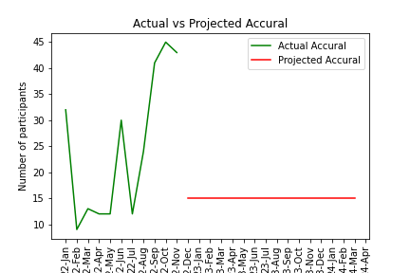
 | actual_period | actual_accural | projected_accural
0 | 22-Jan | 32
1 | 22-Feb | 9
2 | 22-Mar | 13
3 | 22-Apr | 12
4 | 22-May | 12
5 | 22-Jun | 30
6 | 22-Jul | 12
7 | 22-Aug | 24
8 | 22-Sep | 41
9 | 22-Oct | 45
10 | 22-Nov | 43
11 | 22-Dec |  | 15
12 | 23-Jan |  | 15
13 | 23-Feb |  | 15
14 | 23-Mar |  | 15
15 | 23-Apr |  | 15
16 | 23-May |  | 15
17 | 23-Jun |  | 15
18 | 23-Jul |  | 15
19 | 23-Aug |  | 15
20 | 23-Sep |  | 15
21 | 23-Oct |  | 15
22 | 23-Nov |  | 15
23 | 23-Dec |  | 15
24 | 24-Jan |  | 15
25 | 24-Feb |  | 15
26 | 24-Mar |  | 15
27 | 24-Apr
28 | 24-May
29 | 24-Jun
30 | 24-Jul
31 | 24-Aug
32 | 24-Sep
33 | 24-Oct
34 | 24-Nov
35 | 24-Dec
36 | 25-Jan

